PART CD
Danby Model: DAC080B7IWDB-6
Factory Model: MWAUQB-08CRFN8-BCN10
Effective Date: 2021-12-20
Revision: 00 |  | Updated Part Number, Aug. 2022
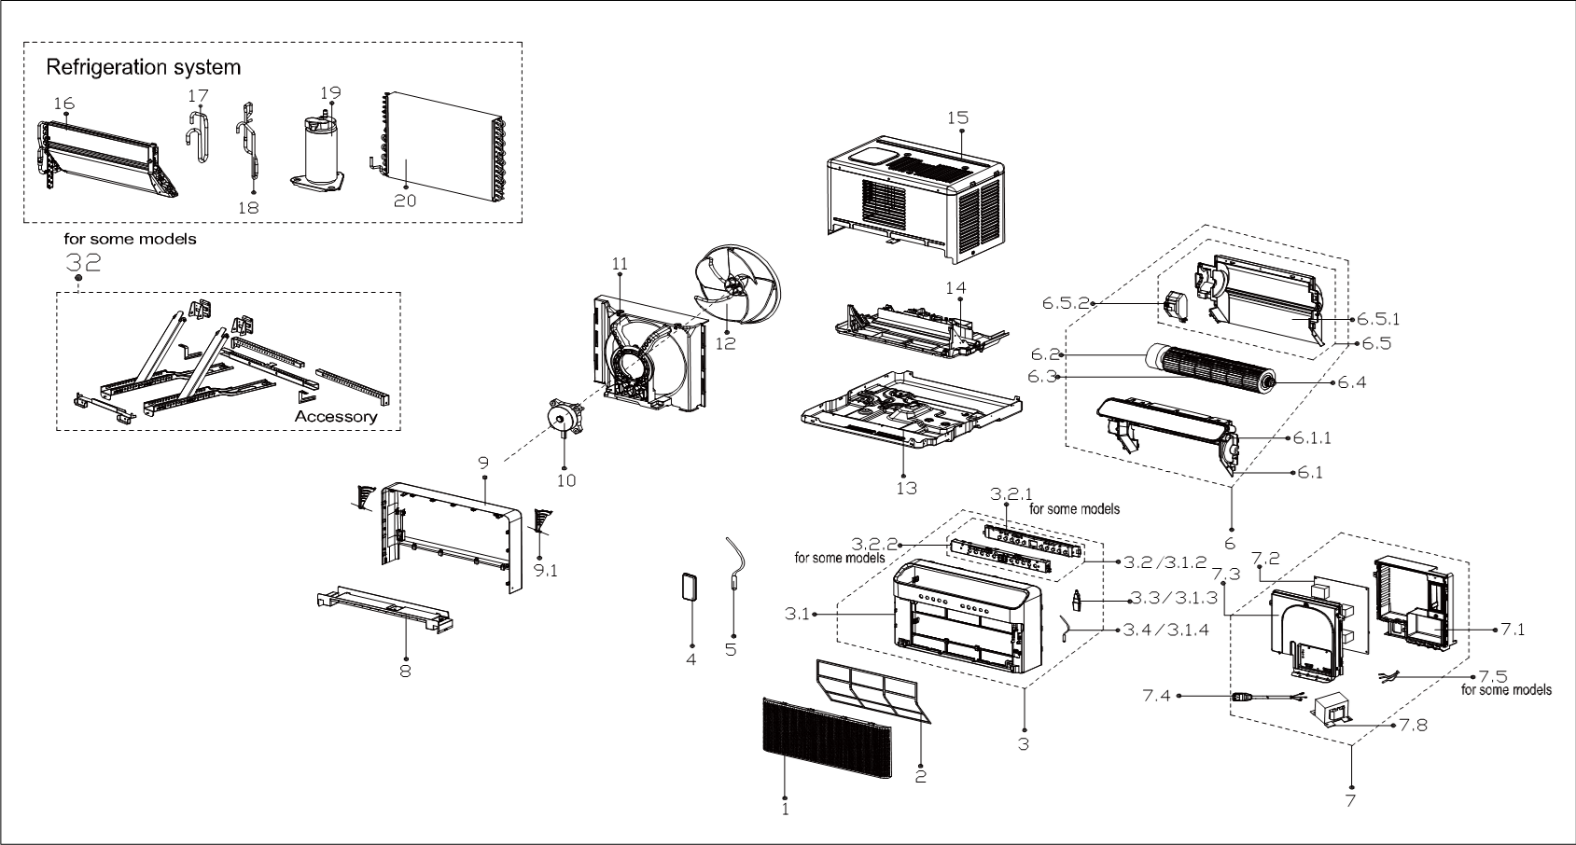
NO | PART NUMBER |  | PART DESCRIPTION (ENG) | QTY | PARTS SPECIFICATION (updated parts only) | Notes
1 | 12120300A28052 |  | Panel | 1 | ABS
2 | 12120300005404 |  | Air filter | 1 | US-KC23/BP2N8Y-IQB(CN0).2.1-2
3 | 12120300A28067 | 12120300A29726 | Panel frame assembly | 1 | HIPS
3.1 | 12120300A28066 | 12120300005966 | Panel frame assembly | 1 | HIPS | Special Order
3.1.2 | 17220300A20527 | 17220300A21689 | Display box subassembly | 1 | US-KC35/BP2N8Y-IQB.ZY001.JD.WS.XS.XK1.1A1-01
3.1.3 | 17310900001961 | 17310900003164 | WIFI module subassembly | 1 | US-SK105.JD.TY.MWL.NET
3.1.4 | 11201007003424 |  | Room Temperature Sensor | 1 | CGQ-WD/SW4100-L350-XHBCP2BL-P300-HT1.0
4 | 17317000A61138 |  | Remote controller | 1 | RG10G2(D2)/BGEFU1
5 | 11201007003447 |  | Pipe Temperature Sensor | 1 | CGQ-WD/GW4100-L350-XACP2-P250
6 | 12120300005420 | 12120300006304 | Inner air passage assembly | 1 |  | Special Order
6.1 | 12120300005412 |  | Upper bracket of indoor volute Shell assembly | 1 |  | Special Order
6.1.1 | 11002010001107 |  | Stepper motor | 1 | SM-24-19-16-135
6.2 | 11002015000150 | 11002015012989 | Brushless DC Motor | 1 | ZKFP-13-8-4-17, 115V 60Hz
6.3 | 12100102000658 |  | Cross flow fan | 1 | GL-94*365-IN
6.4 | 12622000000131 |  | Bearing components | 1 |  | Special Order
6.5 | 12120300005411 | 12120300006305 | Base subassembly of volute shell | 1 |  | Special Order
6.5.1 | 12120300005485 |  | Rear volute shell | 1 |  | Special Order
6.5.2 | 12120300005304 | 12120300006306 | Electric box wire connection bottom board | 1 |  | Special Order
7 | 17220300004510 | 17220300005210 | Electronic control box subassembly | 1 | US-KC23W/BP3N8-AQB(115V_KSK75D33UEZ_24Tmini_SDM15G60FB_6891).JD.WS.NK.DK1.1 | Special Order
7.1 | 12220300004139 |  | Electronic control box cover subassembly | 1 |  | Special Order
7.2 | 17120300004228 | 17120300005389 | Main control board subassembly | 1 | US-KC23W/BP3N8-AQB(115V_KSK75D33UEZ_24Tmini_SDM15G60FB_6891_6A161).JD.WS.NK.NK1.1
7.3 | 12220300004138 |  | Electronic control box subassembly | 1 |  | Special Order
7.4 | 17401202006868 | 17401202000156 | Power cord subassembly | 1 | 0651515LY or L15515 or 30380 or 12003,21301 or JLL301 or 21571;Rated 120 VAC,13A
7.5 | 11201007004687 |  | Complied temperature sensor | 1 | CGQ-ZH-GW/SW/PQ-L850-XH-P700
7.8 | 17400306001263 |  | Reactor | 1 | R1503(AL)
8 | 12120300005684 |  | Rear panel assembly | 1 | Metal,HIPS | Special Order
9 | 12120300005413 |  | Rear panel assembly | 1 | HIPS | Special Order
9.1 | 12120300005415 |  | locked button | 2 |  | Special Order
10 | 11002015011468 |  | Brushless DC Motor | 1 | ZKFN-20-8-1-1, 115V 60Hz
11 | 12120300005406 |  | Rear barrier board subassembly | 1 | Metal,HIPS | Special Order
12 | 12100105000921 |  | Axial flow fan | 1 | ZL-310(280)*80*8-4KFN
13 | 12220300004698 |  | Chassis assembly | 1 |  | Special Order
14 | 12120300005419 | 12120300006406 | Condenser water tray | 1 |  | Special Order
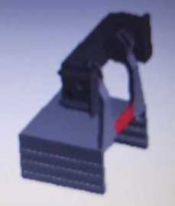
15 | 12220300004098 |  | Cabinet assembly | 1 |  | Special Order | 33
16 | 15820300003062 | 15820300003444 | Evaporator assembly | 1 | US-KC23/BP3N8Y-AQB(CN10)-N.ZL.1 | Special Order
17 | 15120300006216 | 15120300006764 | Suction pipe assembly | 1 |  | Special Order
18 | 15120300006214 | 15120300006762 | Discharge pipe assembly | 1 |  | Special Order
19 | 11103020000279 | 11103020009099 | DC Inverter Rotary Compressor | 1 | KSK75D33UEZD3 | Special Order
20 | 15820300003123 | 15820300003442 | Condenser Assembly | 1 | US-KC23/BP3N8Y-AQB(CN10)-N.ZL.2 | Special Order
32 | 12020300000887 |  | Installation accessory | 1
33 | 12120600005743 |  | Sealing part | 2

