PART CD
Danby Model: DAC060EB7WDB
Factory Model: MWHUK-06CRN8-BCL1
Effective Date: 12/12/2019
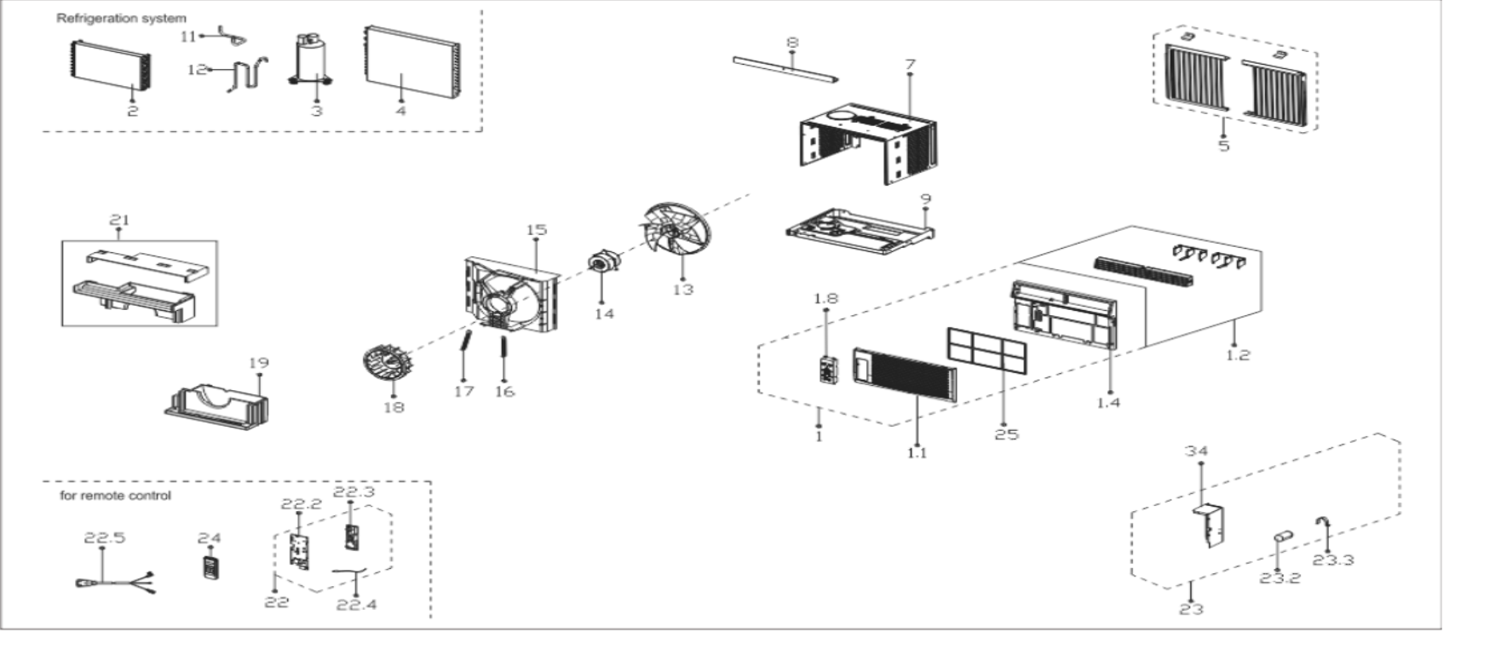
Revision: 00
NO | PART NUMBER | PART DESCRIPTION (ENG) | QTY | PARTS SPECIFICATION | Notes
1 | 12120300A25188 | Front panel assembly | 1 | HIPS+ABS
1.1 | 12120300A24290 | Front panel | 1 | HIPS | Special Order
1.2 | 12120300A21653 | Air outlet frame | 1 | HIPS | Special Order
1.4 | 12120300A24976 | Panel frame | 1 | HIPS | Special Order
1.8 | 17220300A17369 | Display box assembly | 1 | UL-KC35/N1Y-KBV.JD.WS.XS.XK1.5A | Special Order
2 | 15820300002710 | Evaporator Assembly | 1 | US-KC18/N8Y-HKB(CL1).ZL[AL].1 | Special Order
3 | 11103010015793 | Compressor | 1 | KSN50E12VAZB3 | Special Order
4 | 15820300002712 | Condenser Assembly | 1 | US-KC18/N8Y-HKB(CL1).ZL[AL].2 | Special Order
5 | 12020300000788 | Installation accessory | 1 | US-KC23/N1Y-KG10(K3)-F-D.8A.1
7 | 12220300003504 | Cabinet assembly | 1 | 0.5mm+White | Special Order
8 | 12220300003506 | Top shutter frame | 1 | 0.8mm+White
9 | 12220300003508 | Chassis Assembly | 1 | 0.8mm+Gray | Special Order
11 | 15120300003531 | Compressor suction pipe | 1 |  | Special Order
12 | 15120300005712 | Compressor exhaust pipe | 1 |  | Special Order
13 | 12100105000087 | Axial fan | 1 | ZL-310*79*8-4F
14 | 11002012032353 | Fan motor | 1 | YKTS-50-4-53L-1
15 | 12120300004274 | Rear barrier Subassembly | 1 | ABS+White | Special Order
16 | 12220300000454 | Left Pulling Rod of Motor | 1 | 1.2mm | Special Order
17 | 12220300000455 | Right Puling Rod of Motor | 1 | 1.2mm | Special Order
18 | 12100103000066 | Centrifugal Fan | 1 | LX-192*62*8-11N
19 | 12820300000561 | Volute shell (below) | 1 | EPS | Special Order
21 | 12820300000562 | Volute shell (above) | 1 | EPS | Special Order
22 | 17220300A15910 | Electronic control box | 1 | US-KC18/N8Y-HKB(CL1).JD.WS.NK.DK1.1 | Special Order
22.2 | 12220300000492 | Electrical Control Box Cover | 1 | 0.6mm | Special Order
22.3 | 17120300003871 | Main control board assembly | 1 | US-KC35/N1Y-KBWM.JD.WS.NK.NK1.8
22.4 | 11201007003446 | Room Temperature Sensor | 1 | CGQ-WD/SW4100-L350-XHBCP2BL-P300
22.5 | 17401202000230 | Power Supply Cable | 1 | 0651510LY or L15515 or L15515W,120V,10A
23 | 17220300003634 | Electronic box assembly | 1 | US-KC18/N8Y-HKB(CL1).ZJD.JWS.NK.DQ1.1 | Special Order
23.2 | 17400104000766 | Combined Capacitor | 1 | 35+6uF,250V
23.3 | 12200203000798 | Capacitor clamp | 1 | 0.8mm | Special Order
24 | 17317000A56560 | Remote controller | 1 | RG51G(1)/CEFU1
25 | 12120300A21651 | Filter | 1 | US-KC23/N1Y-KBV.1-10
34 | 12220300003507 | E-Parts Box Subassembly | 1 | US-KC18/N8Y-HKB(CL1).4 | Special Order

