PART CD
Danby Model: DAC060BHUWDB
Factory Model: ELUS-KC18/N1Y-FQG16(CL1)-L
Effective Date: 16/01/2018
Revision: 00
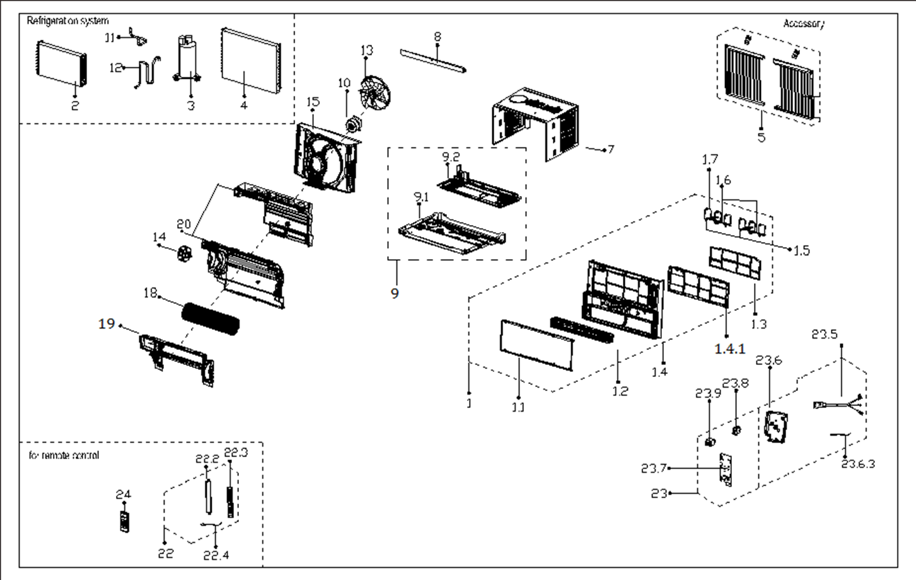
NO | PART NUMBER | PART DESCRIPTION (ENG) | QTY | PARTS SPECIFICATION | Notes
1 | 12120300A20166 | Front panel assembly | 1 | HIPS
1.1 | 12120300A19687 | Front panel | 1 | HIPS
1.2 | 12120300A19688 | Air outlet frame | 1 | HIPS | Special Order
1.3 | 12120300A19692 | Air filter | 1 | US-KC23/N1Y-GQ1(CL0).1.2.1-4
1.4 | 12120300A20167 | Panel frame assembly | 1 | HIPS | Special Order
1.4.1 | 12120300A19686 | Panel frame | 1 |  | Special Order
1.5 | 12120300A19694 | Vertical vane I | 2 |  | Special Order
1.6 | 12120300A19683 | Louver holder | 2 |  | Special Order
1.7 | 12120300A19693 | Vertical vane II | 4 |  | Special Order
2 | 15820300002227 | Evaporator Assembly | 1 | ELUS-KC18/N1Y-FKG16(CL1)-L.ZL.1 | Special Order
3 | 11103010012449 | Fixed Speed Rotary Compressor | 1 | ASN52E1VAZA3 | Special Order
4 | 15820300002230 | Condenser Assembly | 1 | ELUS-KC18/N1Y-FKG16(CL1)-L.ZL.2 | Special Order
5 | 12020300A01424 | Installation accessory | 1
7 | 12220300A01421 | Cabinet assembly | 1 | Galvanized plate | Special Order
8 | 12220300A01503 | Top shutter frame subassembly | 1 | Galvanized plate
9 | 12220300A01418 | Chassis assembly | 1 | Galvanized plate | Special Order
9.1 | 12220300A01417 | Chassis assembly | 1 | Galvanized plate | Special Order
9.2 | 12120300003845 | Water collector subassembly | 1 |  | Special Order
10 | 11002012026882 | Single phase asynch. motor | 1 | YKT-28-4-8L, 115 60Hz | Special Order
11 | 15120300005247 | Suction pipe assembly | 1 |  | Special Order
12 | 15120300005249 | Discharge pipe assembly | 1 |  | Special Order
13 | 12100105000087 | Axial flow fan | 1 | ZL-310*79*8-4F
14 | 11002012009829 | Asynchronous motor | 1 | YKFG-15-4-100 | Special Order
15 | 12120300003790 | Rear barrier board subassembly | 1 |  | Special Order
18 | 12100102000416 | Cross flow fan | 1 | GL-107.5*375-IN
19 | 12120300003785 | indoor volute Shell assembly | 1 |  | Special Order
20 | 12120300003848 | Base subassly. of volute shell | 1 |  | Special Order
22 | 17220300A13945 | Display box assembly | 1 | UL-KC35/N1Y-B10(B4).JD.WS.XS.XK1.6 | Special Order
22.2 | 12120300A13424 | Controller cover subassembly | 1 |  | Special Order
22.3 | 17120300A02880 | Display board subassembly | 1 | US-KC35/N1Y-BM.JD.WS.XS.XS1.3
22.4 | 11201007000001 | Pipe Temperature Sensor | 1 | CGQ-WD/GW4100-L300-XAP2-R280-01
23 | 17220300A13586 | Elec. control box subassly. | 1 | US-KC18/N1Y-FQ1(CL1)-L.JD.WS.NK.DK1.1 | Special Order
23.5 | 17401202000156 | Power cord subassembly | 1 | JLL301-16;AWG,16x 3;120V,13A
23.6 | 12220300003059 | Electronic control box | 1 | ELUS-KC23/N1Y-FQG16(CL0)-L.3-1 | Special Order
23.6.3 | 11201007000088 | Room Temperature Sensor | 1 | CGQ-WD/SW4100-L350-XHP2-P250
23.7 | 17120300A02885 | Main control board subassembly | 1 | US-KC18/N1Y-FQ1(CL1)-L.JD.WS.NK.NK1.1
23.8 | 17400102000043 | Fan motor capacitor | 1 | 3UF/250V-P2
23.9 | 17400104000007 | Capacitor of compressor | 1 | 40+6.0uF/250VAC
24 | 17317000A50102 | Remote controller | 1 | R09/BGCE

