PART CD
Danby Model: DAC060BGUWDB
Factory Model: MWFUK-06CRN1-BCL1
Effective Date: 20/12/2017
Revision: 00
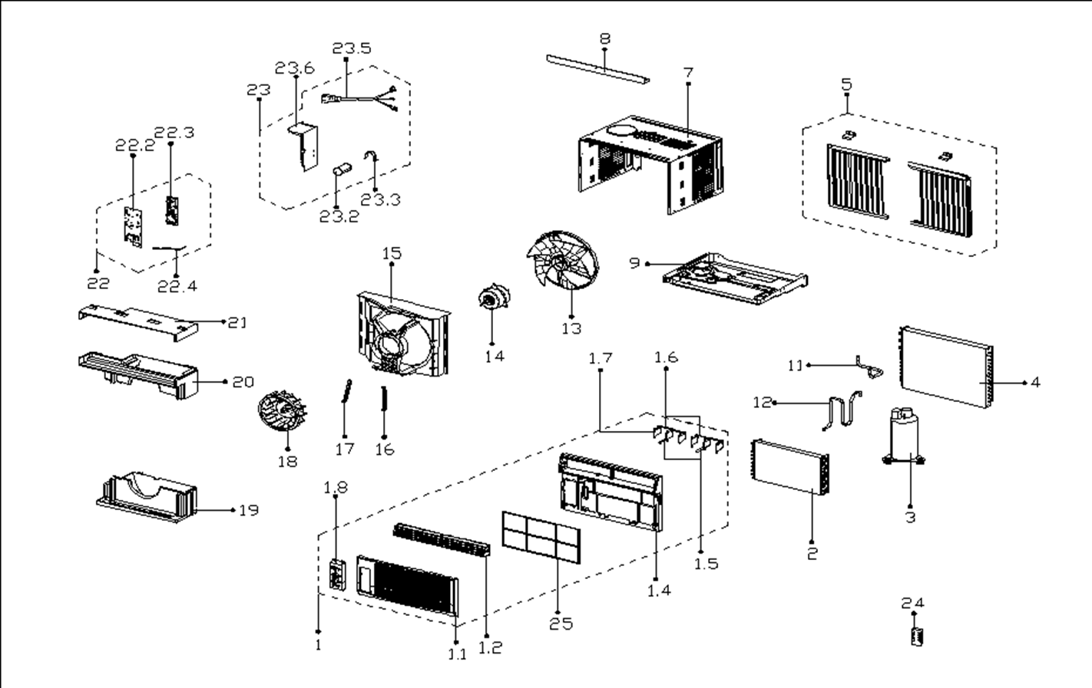
NO | PART NUMBER | PART DESCRIPTION (ENG) | QTY | PARTS SPECIFICATION | Notes
1 | 12120300A20088 | Front panel assembly | 1 | HIPS+ABS
1.1 | 12120300002289 | Front panel | 1 | ABS | Special Order
1.2 | 12120300002288 | Air outlet frame | 2 | HIPS | Special Order
1.4 | 12120300002290 | Panel frame | 1 | HIPS | Special Order
1.5 | 12120300002285 | Vertical vane I | 2 | HIPS | Special Order
1.6 | 12120300002286 | Louver holder | 2 | ABS | Special Order
1.7 | 12120300002291 | Vertical vane II | 4 | HIPS | Special Order
1.8 | 17220300A13933 | Display box assembly | 1 | US-KC23/N1Y-FB(J8).JD.WC.XS.XK1.1-01
2 | 15820300002108 | Evaporator Assembly | 1 | ELUS-KC18/N1Y-EKG10(CK0)-F-D.ZL[AL] | Special Order
3 | 11103010011669 | Compressor | 1 | ASN52E2VAZ3 | Special Order
4 | 15820300001148 | Condenser Assembly | 1 | ELUS-KC23/N1-KF(J9)-D.ZL.2[A] | Special Order
5 | 12020300000287 | Installation accessory | 1 | US-KC18/N1Y-DKB-1
7 | 12220300000791 | Cabinet assembly | 1 | 0.5mm+White | Special Order
8 | 12220300A00379 | Top shutter frame | 1 | 0.8mm+White
9 | 12220300000408 | Chassis Assembly | 1 | 0.8mm+Gray | Special Order
11 | 15120300003531 | Compressor suction pipe | 1 |  | Special Order
12 | 15120300003525 | Compressor exhaust pipe | 1 |  | Special Order
13 | 12100105000087 | Axial fan | 1 | ZL-310*79*8-4F
14 | 11002012009240 | Fan motor | 1 | YKTS-50-4-53L
15 | 12120300000563 | Rear barrier Subassembly | 1 | ABS+White | Special Order
16 | 12220300000454 | Left Pulling Rod of Motor | 1 | 1.2mm | Special Order
17 | 12220300000455 | Right Puling Rod of Motor | 1 | 1.2mm | Special Order
18 | 12100103000066 | Centrifugal Fan | 1 | LX-192*62*8-11N
19 | 12820300000479 | Volute shell (below) | 1 | EPS | Special Order
20 | 12820300000482 | Mid volute shell | 1 | EPS | Special Order
21 | 12820300000481 | Volute shell (above) | 1 | EPS | Special Order
22 | 17220300A01951 | Electronic control box | 1 | US-KC23/N1Y-FB(J8).ZJD.JWS.NK.DK1.2 | Special Order
22.2 | 12220300000492 | Electrical Control Box Cover | 1 | 0.6mm | Special Order
22.3 | 17120300A00918 | Main control board assembly | 1 | US-KC30/Y-FB(C2).JD.WS.NK.NK1.4
22.4 | 11201007000088 | Room Temperature Sensor | 1 | CGQ-WD/SW4100-L350-XHP2-P250
23 | 17220300000265 | Electronic box assembly | 1 | ELUS-KC18/N1Y-DKG10(CK0) | Special Order
23.2 | 17400104000007 | Combined Capacitor | 1 | uF, V minimum. 40 + 6, 250
23.3 | 12200203000011 | Capacitor clamp | 1 | 0.8mm | Special Order
23.5 | 17401202000230 | Power Supply Cable | 1 | JLL301-18:AWG, 18 x 3:120V, 10A
23.6 | 12220300000481 | E-Parts Box Subassembly | 1 | ELUS-KC23/N1Y-KG10(K3)-F-D.3 | Special Order
24 | 17317000A49944 | Remote controller | 1 | R09C/BCGE
25 | 12100204000537 | Filter | 1 | UL-KC18/Y-F2.2-4A

